Problem
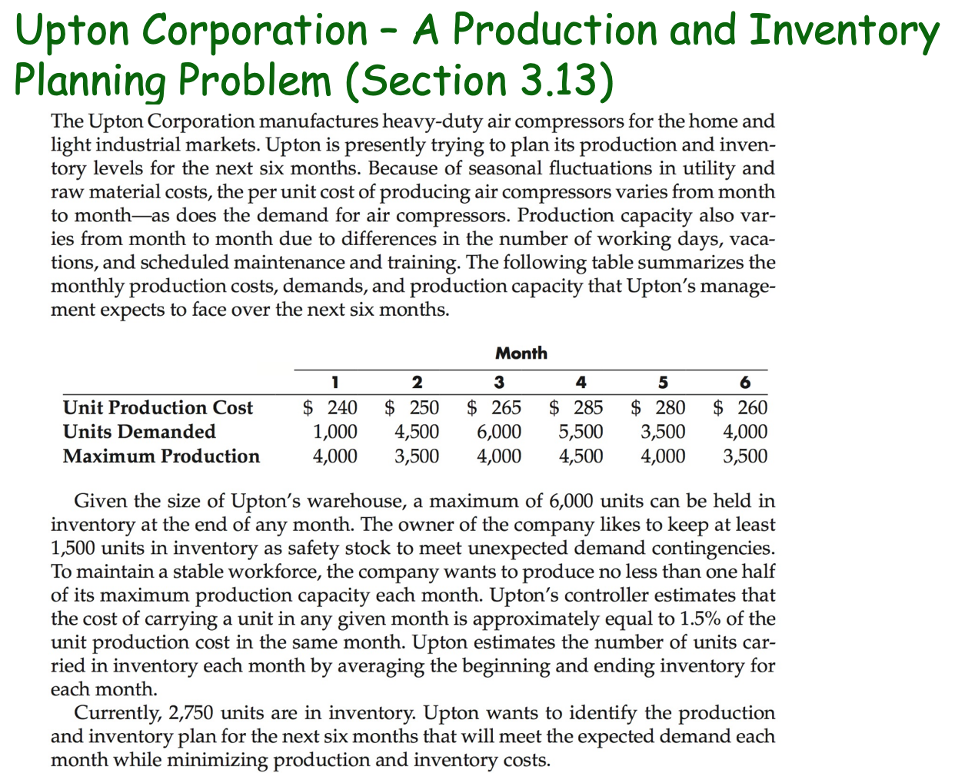

Solution
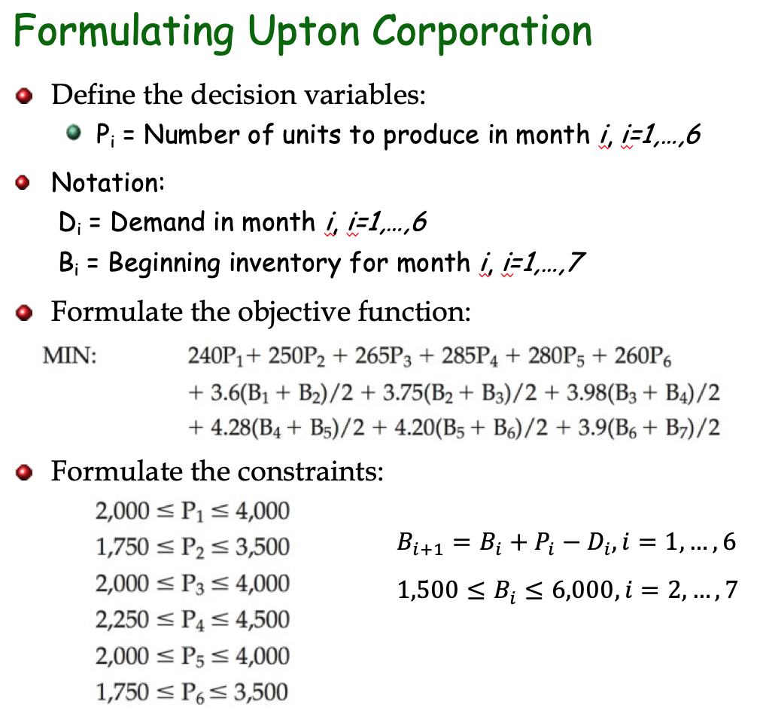
Upton Corp Production & Inventory Problem |  |  |  |  | MONTH
 |  | 1 | 2 | 3 | 4 | 5 | 6
Beginnng Inventory |  | 2750 | 5750 | 4750 | 2750 | 1500 | 2000
UNITS PRODUCED |  | 4000 | 3500 | 4000 | 4250 | 4000 | 3500
Units Demanded |  | 1000 | 4500 | 6000 | 5500 | 3500 | 4000
Ending Inventory |  | 5750 | 4750 | 2750 | 1500 | 2000 | 1500

Minimum Production | 0.5 | 2000 | 1750 | 2000 | 2250 | 2000 | 1750
Maximum Production |  | 4000 | 3500 | 4000 | 4500 | 4000 | 3500

Minimum Inventory |  | 1500 | 1500 | 1500 | 1500 | 1500 | 1500
Maximum Inventory |  | 6000 | 6000 | 6000 | 6000 | 6000 | 6000

Unit Production Cost |  | $240.00 | $250.00 | $265.00 | $285.00 | $280.00 | $260.00
Unit Carrying Cost | 1.50% | $3.60 | $3.75 | $3.97 | $4.27 | $4.20 | $3.90

Monthly Production Cost |  | $960,000.00 | $875,000.00 | $1,060,000.00 | $1,211,250.00 | $1,120,000.00 | $910,000.00
Monthly Carrying Cost |  | $15,300.00 | $19,687.50 | $14,906.25 | $9,084.37 | $7,350.00 | $6,825.00

 |  |  |  |  |  | Total Cost | $6,209,403.13
Sensitivity Analysis Report
Objective Cell (Min)
 | Cell | Name | Final Value
 | $H$20 | Total Cost | 6209403.125

Decision Variable Cells
 |  |  | Final | Reduced | Objective | Allowable | Allowable
 | Cell | Name | Value | Cost | Coefficient | Increase | Decrease
 | $C$4 | UNITS PRODUCED | 4000 | -33.3375 | 261.9 | 33.3375 | 1E+30
 | $D$4 | UNITS PRODUCED | 3500 | -27.0125 | 268.225 | 27.0125 | 1E+30
 | $E$4 | UNITS PRODUCED | 4000 | -15.875 | 279.3625 | 15.875 | 1E+30
 | $F$4 | UNITS PRODUCED MONTH | 4250 | 0 | 295.2375 | 1E+30 | 9.2375001
 | $G$4 | UNITS PRODUCED | 4000 | -9.2375 | 286 | 9.2375 | 1E+30
 | $H$4 | UNITS PRODUCED | 3500 | -33.2875 | 261.95 | 33.2875 | 1E+30

Constraints
 |  |  | Final | Shadow | Constraint | Allowable | Allowable
 | Cell | Name | Value | Price | R.H. Side | Increase | Decrease
 | $C$6 | Ending Inventory | 5750 | 0 | -250 | 4250 | 1E+30
 | $D$6 | Ending Inventory | 4750 | 0 | 4250 | 3250 | 1E+30
 | $E$6 | Ending Inventory | 2750 | 0 | 10250 | 1250 | 1E+30
 | $F$6 | Ending Inventory MONTH | 1500 | 0 | 15750 | 0 | 1E+30
 | $G$6 | Ending Inventory | 2000 | 0 | 19250 | 500 | 1E+30
 | $H$6 | Ending Inventory | 1500 | 295.2375 | 23250 | 250 | 0
 | $C$6 | Ending Inventory | 5750 | 0 | 4250 | 1E+30 | 250
 | $D$6 | Ending Inventory | 4750 | 0 | 8750 | 1E+30 | 1250
 | $E$6 | Ending Inventory | 2750 | 0 | 14750 | 1E+30 | 3250
 | $F$6 | Ending Inventory MONTH | 1500 | 0 | 20250 | 1E+30 | 4500
 | $G$6 | Ending Inventory | 2000 | 0 | 23750 | 1E+30 | 4000
 | $H$6 | Ending Inventory | 1500 | 0 | 27750 | 1E+30 | 4500

